Survived By Age Group
Survival By Age Group
Row Labels | Sum of Survived
Youth | 69
Teenager | 52
Adult | 23
Elders | 8
Grand Total | 152

Survived By Gender
Survival By Gender.
Row Labels | Sum of Survived
female | 152 | 152
male | 0
Grand Total | 152

Survived By Class
Ticket Class | Sum of Survived
3rd Class | 72
1st Class | 50
Survived By Ship Class
2nd Class | 30
Grand Total | 152

By Departure Port
Survival By Departure Port
Row Labels | Sum of Survived
Southampton | 88
Cherbourg | 40
Queenstown | 24
Grand Total | 152

Ratio of Survived Gender
Sum of Survived | Column Labels
Row Labels | female | male | Grand Total
Adult | 23 | 0 | 23
Elders | 8 | 0 | 8
Teenager | 52 | 0 | 52
Youth | 69 | 0 | 69
Grand Total | 152 | 0 | 152

Dashboard
TITANIC SHIP SURVIVAL ANALYSIS
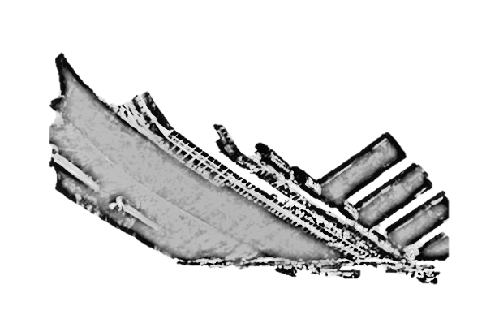

418
266
152
266
152

Total Passengers
Male Passengers
Female Passengers
Total Deaths
Total Survivals

Survival By Age Group
 | Total
Youth | 69
Teenager | 52
Adult | 23
Elders | 8
Survival By Departure Port
 | Total
Southampton | 88
Cherbourg | 40
Queenstown | 24
Survived By Ship Class
 | Total
3rd Class | 72
1st Class | 50
2nd Class | 30

Survival By Gender.
 | Total
female | 152
male | 0
 | female | male
Adult | 23 | 0
Elders | 8 | 0
Teenager | 52 | 0
Youth | 69 | 0

